Ethical Assessment
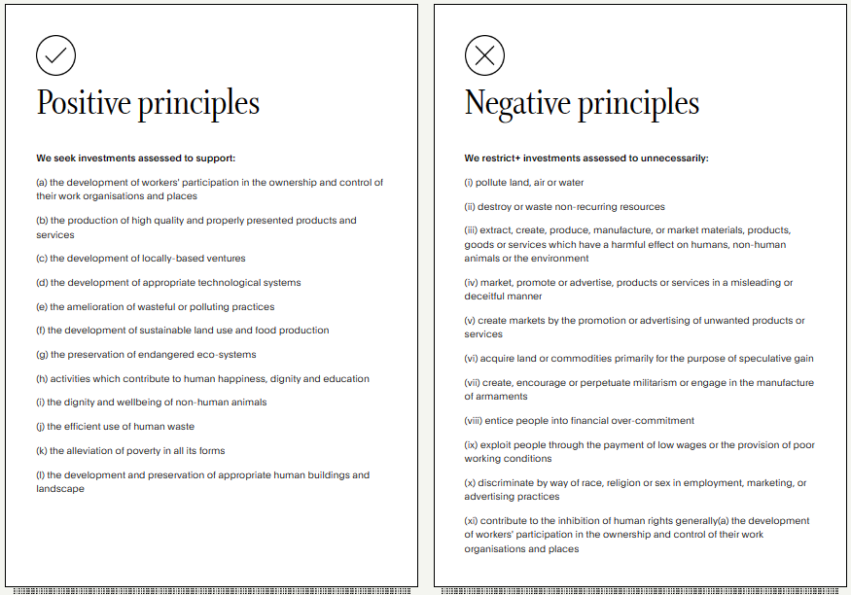
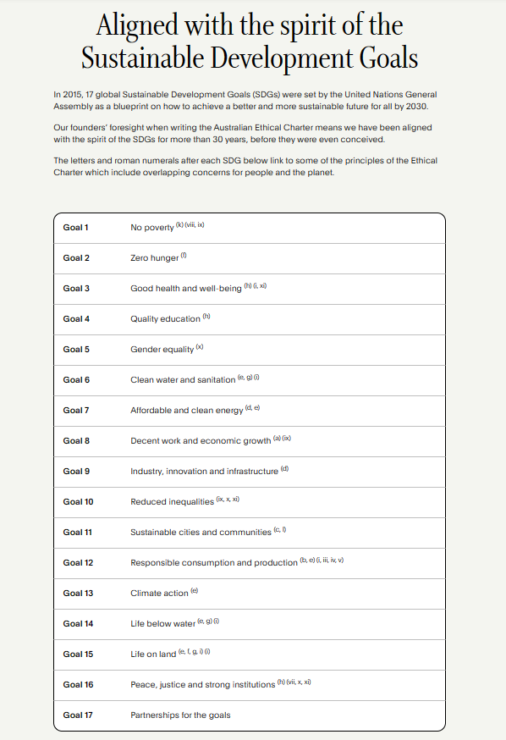
The Australian Ethical Charter
https://www.australianethical.com.au/why-ae/ethical-charter/

Investment Analysis
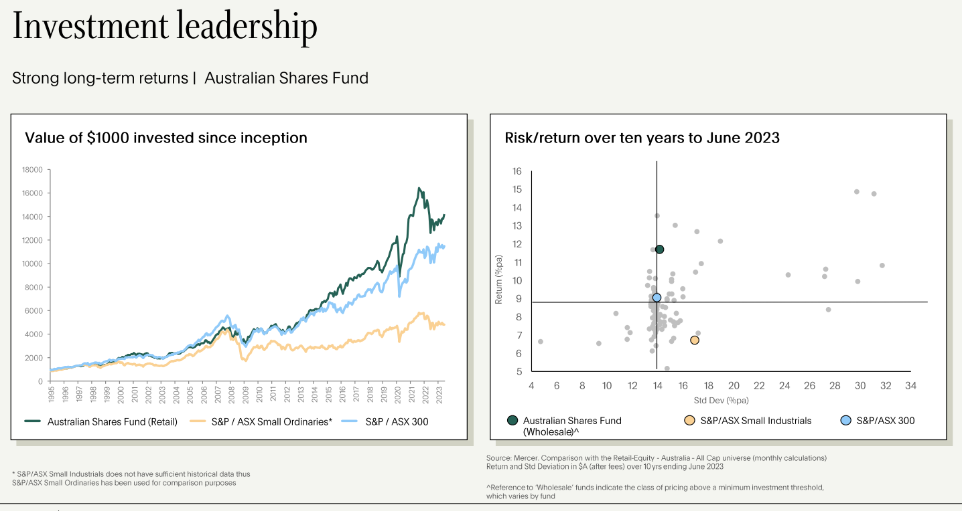

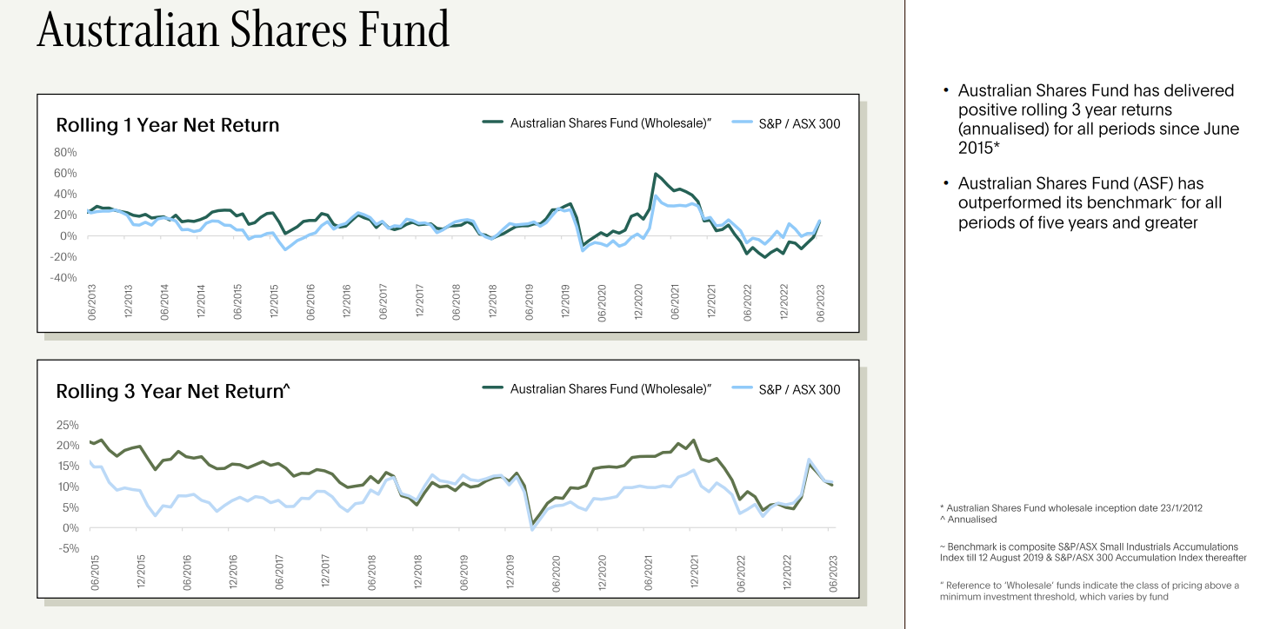

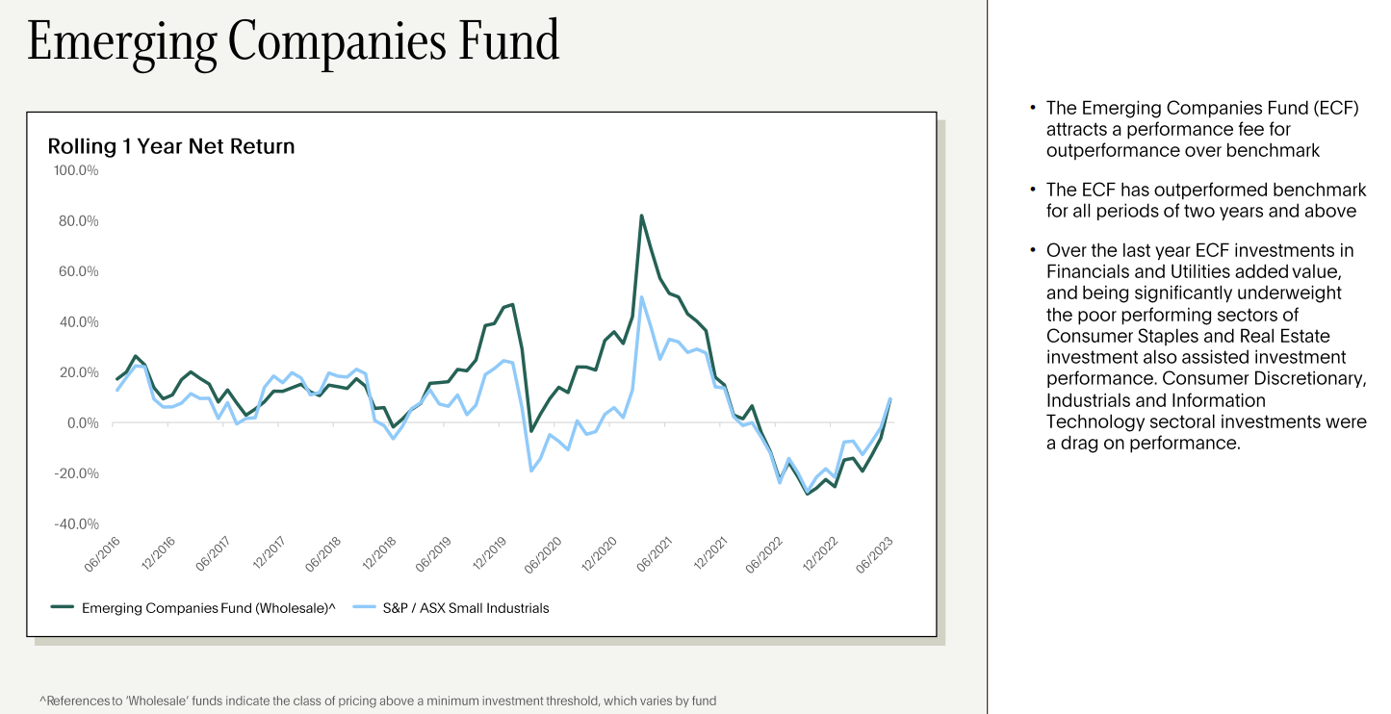

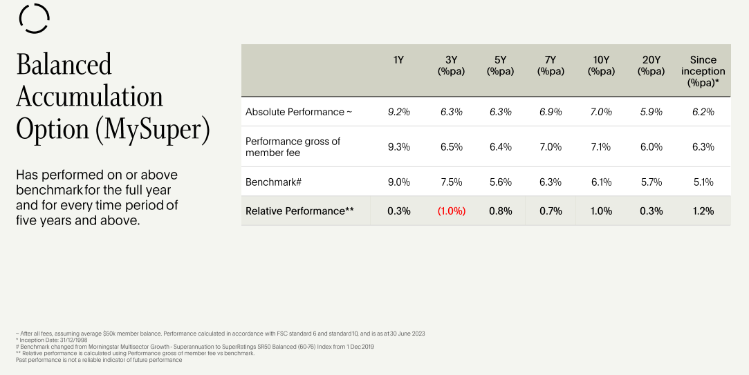

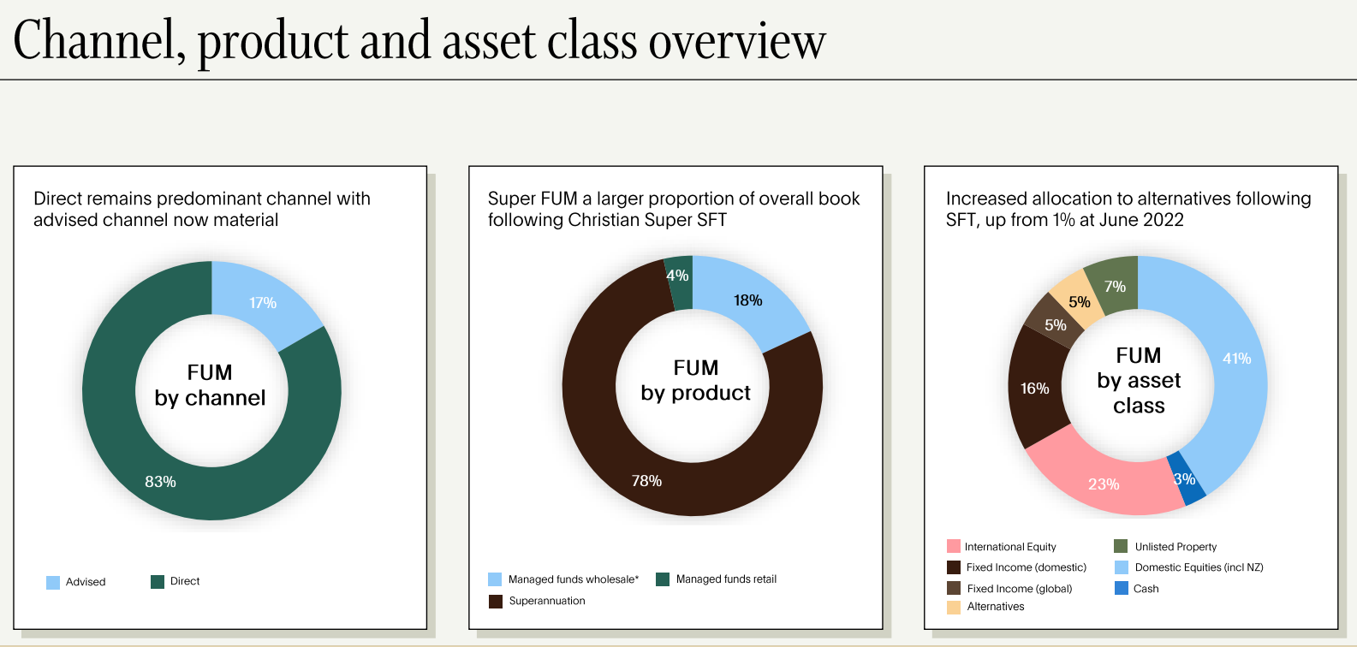

Ethical Business
Customers
Super Members by State
ACT | 2,955
NSW | 38,565
NT | 1,659
QLD | 16,834
SA | 5,551
TAS | 4,093
VIC | 31,134
WA | 12,005
n/a | 1,338
 | 114,133

Managed Fund Customers by State

ACT | 786
NSW | 4,635
NT | 99
QLD | 1,657
SA | 722
TAS | 542
VIC | 4,149
WA | 817
n/a | 182
 | 13,581

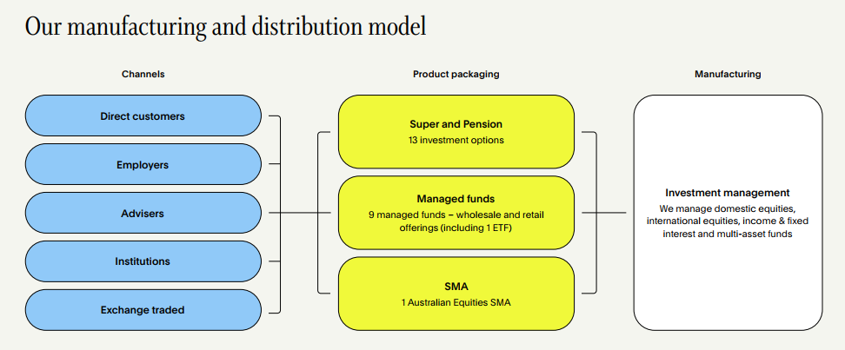

As our scale increases we continue to pass on the benefit to our customers.

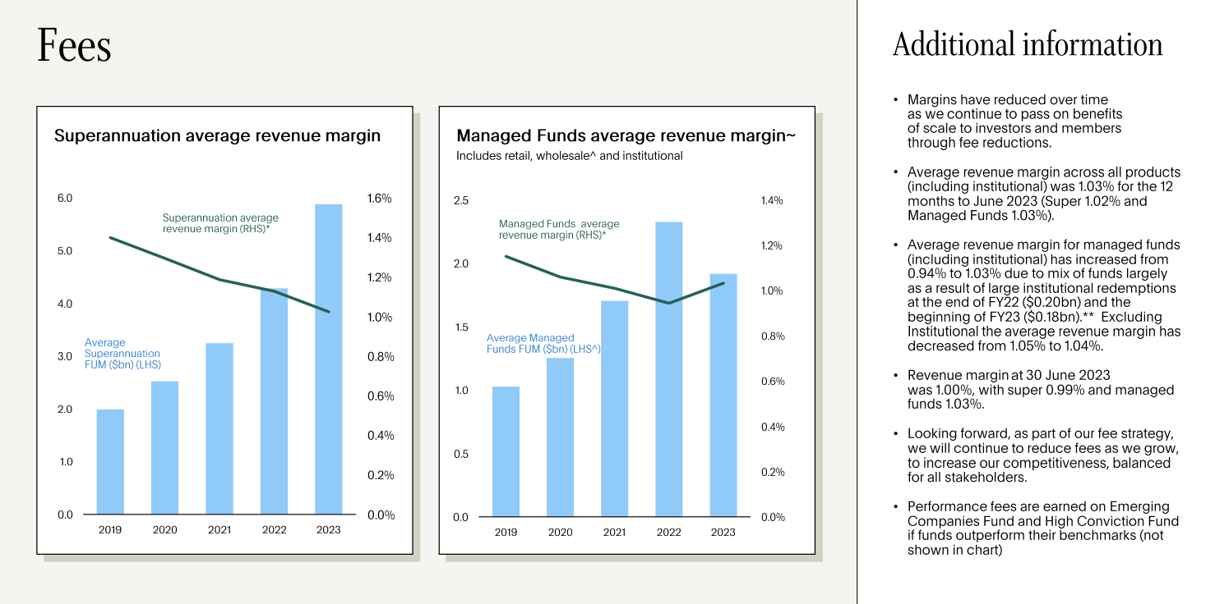

Governance

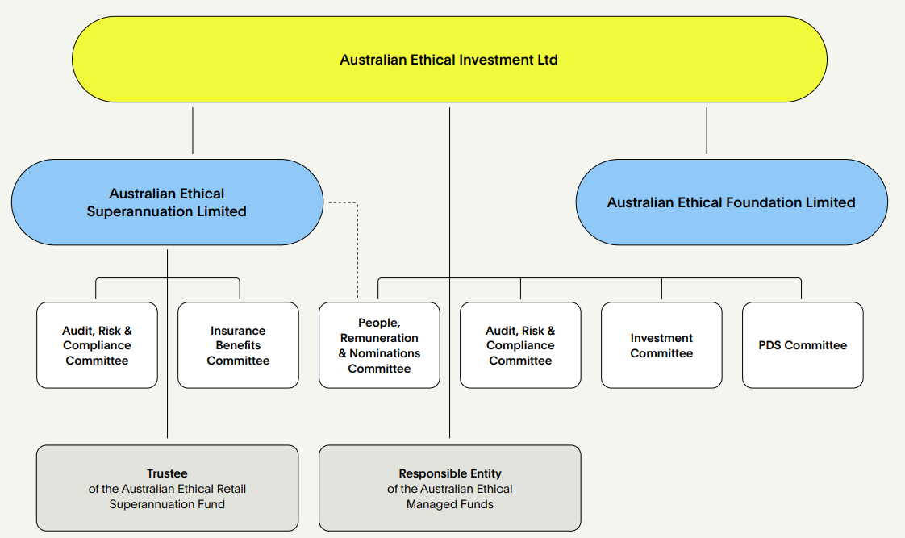

An ethical supply chain

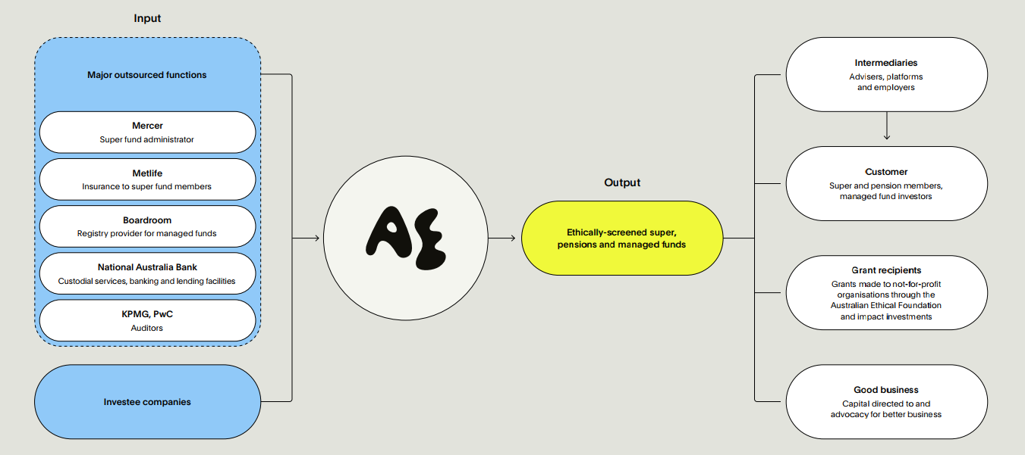

Operational Emissions FY23

The following table shows our operational emissions for FY23 as well as historical emissions. Big contributors to our footprint include significant emissions from our advertising and information technology requirements.

Category | FY21 | FY22 | FY23
Scope 1 & 2 emissions (tonnes of CO2-e pa) | 0 | 0 | 0
Operational Scope 3 (tonnes of CO2-e pa) | 349.8 | 569.6 | 675.7
Full scope emissions per full time equivalent employee | 4.4 | 5.5 | 6.1*
Full scope emissions intensity (total per $A million revenue) | 5.9 | 8 | 8.3
Full scope emissions per $A billion funds under management | 57.6 | 86.6 | 87.4
Offsetting of reported operational emissions | 100% | 100% | 100%
* Calculated using FY23 activity data, FY22 conversion factors and the average of FTE employees at year beginning and end (including contractors paid via monthly payroll).

The following table provides a detailed breakdown of our operational emissions for FY23. We have calculated these emissions using FY23 activity data, and then applying the same emissions factors used for our FY22 operational footprint calculations. A market based method was adopted for assessing emissions from electricity.

Activity Sector | Activity/Service | Activity Data | Units | Emissions FY23 | Percentage (FY23)
 |  |  |  | (tCO2-e/yr)
Utilities | Electricity | 55,332.00 | kWh | - | 0.00%
 | Base Building Electricity | 72,306.44 | kWh | 43.14 | 6.31%
 | Base Building Carbon Neutral Electricity | 7,183.63 | kWh | - | 0.00%
 | Telecommunications | 75,094.27 | $ | 11.67 | 1.71%
 | Base Building Water | 0.40 | ML | 1.03 | 0.15%
 | Base Building Energy (Gas - Offset) | 23,341 | MJ | - | 0.00%
Equipment | IT Equipment | 19,640.09 | $ | 2.67 | 0.39%
 | Printing and Stationery | 73,163.55 | $ | 18.87 | 2.76%
 | Merchandising | 8,510.25 | $ | 3.23 | 0.47%
 | Office Furniture | 0.00 | $ | - | 0.00%
Employees | Employee Commute | 251,261.07 | passenger.km | 23.04 | 3.43%
 | Working From Home | 118,692.00 | h | 18.44 | 3.76%
Flights | Business Flights | 466,446.50 | passenger.km | 85.77 | 12.55%
Transport Fuels-SCOPE 3 | Privately owned/controlled | 14,463.39 | km | 6.87 | 1.01%
Third Party Services | Cleaning Services | 64,374.81 | $ | 7.06 | 1.03%
 | Food & Catering | 131,250.24 | $ | 25.68 | 3.76%
 | Postage | 21,654.82 | $ | 5.12 | 0.75%
 | Couriers | 2,331.23 | $ | 0.54 | 0.08%
 | Computer and technical services | 590,966.87 | $ | 81.96 | 11.99%
 | Domestic Hotel Accommodation | 112 | occupancy.nights | 6.42 | 0.94%
 | International Hotel Accommodation | 24 | occupancy.nights | 0.33 | 0.05%
 | External Paid Media | 115 |  | 115.49 | 16.90%
 | Taxi | 70,225.52 | $ | 4.09 | 0.60%
 | Rideshare | 6,872.32 | $ | 0.74 | 0.11%
 | Software | 381,069.13 | $ | 62.19 | 9.10%
 | Services to Finance and Investment | 1,169,889.57 | $ | 57.98 | 8.48%
 | Security Broking and Dealing | 1,080,381.17 | $ | 31.57 | 4.62%
 | Miscellaneous Manufacturing | 3,598.95 | $ | 1.37 | 0.20%
Food & Beverage | Drinks (Wine & Spirits) | 3,000.49 | $ | 0.55 | 0.08%
 | Drinks (Soft drinks) | 1,542.77 | $ | 0.10 | 0.01%
Synthetic Gases | Refrigerant | 43.70 | kg of Refrigerant | 57.28 | 8.38%
Waste | Landfill | 1.83 | t | 2.50 | 0.37%
 | Recycling | 0.57142 | t | - | 0.00%
Total |  |  |  | 675.7 | 100.00%

Our people

Employees count and FTE*
Total Employees = 124 (including contractors paid via monthly payroll)
Total FTE = 120.85 (including contractors paid via monthly payroll)

F 59 (48.0%) : O 1 (1%) : M 64 (52.0%)

Total number of employees by employment contract and gender [Ref: 2-7]
 | F | O | M | Total
Permanent F/T | 43 | 1 | 55 | 99
Permanent P/T | 10 | 0 | 4 | 14
Temporary Contractor F/T | 4 | 0 | 5 | 9
Temporary Contractor P/T | 2 | 0 | 0 | 2
Total | 59 | 1 | 64 | 124

Employees by gender and region [Ref: 2-7]
 | F | O | M | Total
NSW | 49 | 1 | 47 | 97
VIC | 9 | 0 | 11 | 20
QLD | 1 | 0 | 2 | 3
ACT | 0 | 0 | 1 | 1
SA | 0 | 0 | 2 | 2
WA | 0 | 0 | 1 | 1
Total | 59 | 1 | 64 | 124

Board by gender and region [Ref: 2-7]
 | F | O | M | Total
NSW | 2 | 0 | 3 | 5
VIC | 0 | 0 | 0 | 0
QLD | 2 | 0 | 0 | 2
ACT | 0 | 0 | 1 | 1
SA | 0 | 0 | 0 | 0
WA | 0 | 0 | 0 | 0
Total | 4 | 0 | 4 | 8

Full time employees by region and gender [Ref: 2-7 (a- iv)]
 | F | O | M | Total
NSW | 35 | 1 | 40 | 76
VIC | 7 | 0 | 10 | 17
QLD | 1 | 0 | 2 | 3
ACT | 0 | 0 | 1 | 1
SA | 0 | 0 | 1 | 1
WA | 0 | 0 | 1 | 1
Total | 43 | 1 | 55 | 99

Part time employees by region and gender [Ref: 2-7 (a- v)]
 | F | O | M | Total
NSW | 8 | 0 | 3 | 11
VIC | 2 | 0 | 1 | 3
QLD | 0 | 0 | 0 | 0
ACT | 0 | 0 | 0 | 0
SA | 0 | 0 | 0 | 0
WA | 0 | 0 | 0 | 0
Total | 10 | 0 | 4 | 14

Full time Contractors by region and gender [Ref: 2-7 (a - iv)]
 | F | O | M | Total
NSW | 4 | 0 | 4 | 8
VIC | 0 | 0 | 0 | 0
QLD | 0 | 0 | 0 | 0
ACT | 0 | 0 | 0 | 0
SA | 0 | 0 | 1 | 1
WA | 0 | 0 | 0 | 0
Total | 4 | 0 | 5 | 9

Part time Contractors by region and gender [Ref: 2-7 (a - v)]
 | F | O | M | Total
NSW | 2 | 0 | 0 | 2
VIC | 0 | 0 | 0 | 0
QLD | 0 | 0 | 0 | 0
ACT | 0 | 0 | 0 | 0
SA | 0 | 0 | 0 | 0
WA | 0 | 0 | 0 | 0
Total | 2 | 0 | 0 | 2

Non-guaranteed hours employees, and a breakdown by gender and by region [Ref: 2-7 (a - iii)]
Not appliable

* Methodologies and assumptions used to compile the data and describe significant fluctuations in the number of employees during the year [Ref: 2-7 (b)]
· Data is based on employees/board headcount basis.
· Data is based on employees/board headcount is as of as at year end (i.e. 30 June 2023).
· During the year, 13 new hires came across from Christian Super as part of the SFT

Ratio of the annual total compensation for the organisation’s highest paid individual to the median annual total compensation for all employees [Ref: 2-21 (a) & (b)]
 | 2023 | 2022 | %increase | $ increase
Median | $69.61 | $69.93 | -0.45%
MD | $243.65 | $243.65 | 0%
 | $3.50 | $3.48 | 0% | $0
Note: salary ratio is based on hourly rate only

Displayed in report as the following ratio: 3.50:1 (PY 3.48:1)
Report the total number of workers who are not employees and whose work is controlled by the organization [Ref: 2-8]
Not appliable

Total Employees by Age
Age Diversity (employees only)
Under 30 | 30-40 | 40-50 | 50-60 | 60+
24% (30) | 30% (37) | 33% (41) | 12% (15) | 1% (1)

All (AEI and AES combined) board members – age and gender diversity
Age Diversity (Board members only)
Under 30 | 30-40 | 40-50 | 50-60 | 60+
0% (0) | 0% (0) | 13% (1) | 38% (3) | 50% (4)

Diversity Census FY23

Response rate was 61%:
. 95% of participants affirmed ‘I feel comfortable being who I am at work’
. 7% of participants identify as being neurodiverse
· 5% of participants are managing a chronic health condition
· 45% of participants highest level of education is Undergraduate degree
· 43% of participants highest level of education is Postgraduate/Masters degree
· 9% of participants highest level of education is Further post-school age qualifications
· 3% of participants highest level of education is School Qualification
· 52% of those with an Undergraduate degree was in a Non-Finance discipline; 32% was in Finance discipline
· 16% of those with a Postgraduate degree was in a Non-Finance discipline; 41% was in Finance discipline
· 47% of participants have caring responsibilities for young children
· 13% of participants have caring responsibilities for elder family members
· 4% of participants have caring responsibilities for family members with an illness or disability
· 5% of participants identify as LGBTQIA+
· Apart from English we can speak in 18 different languages and read in 16 different languages
· We come from 20 different cultural backgrounds
· We hold 8 different religious beliefs or faiths, 45% of participants hold no religion

Anti-Corruption Training: % Completion within assigned timeframe FY23
Anti-Money Laundering –71% within timeframe
Conflicts of interest – 68% within timeframe
Privacy –74% within timeframe
Whistleblower Protection – 70% within timeframe
Cyber Security – 77% within timeframe

B Corp
Australian Ethical Investment Limited - Certified B Corporation - B Lab Global

Influence
Active engagements

Proactive engagements by theme

 |  |  | People | 18.1%
 |  |  | Planet | 44.4%
 |  |  | Animals | 37.5%

Proactive engagements by topic
 | Animal research | 25
 | Environmental impact | 21
 | Climate change | 18
 | Human rights incl First Nations people | 8
 | Militarism | 2
 | Responsible provision of financial services | 1
 | Labour rights | 1
 | Nuclear | 1
 | Company culture | 1
 | Circular economy | 1

