Ethical Assessment
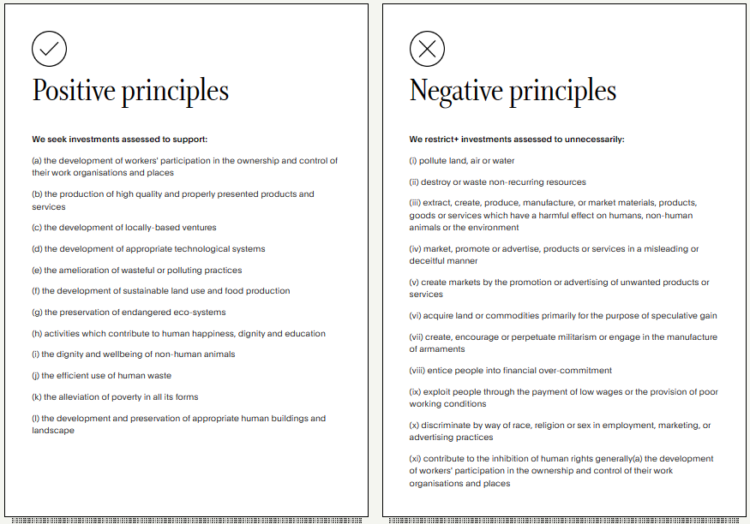
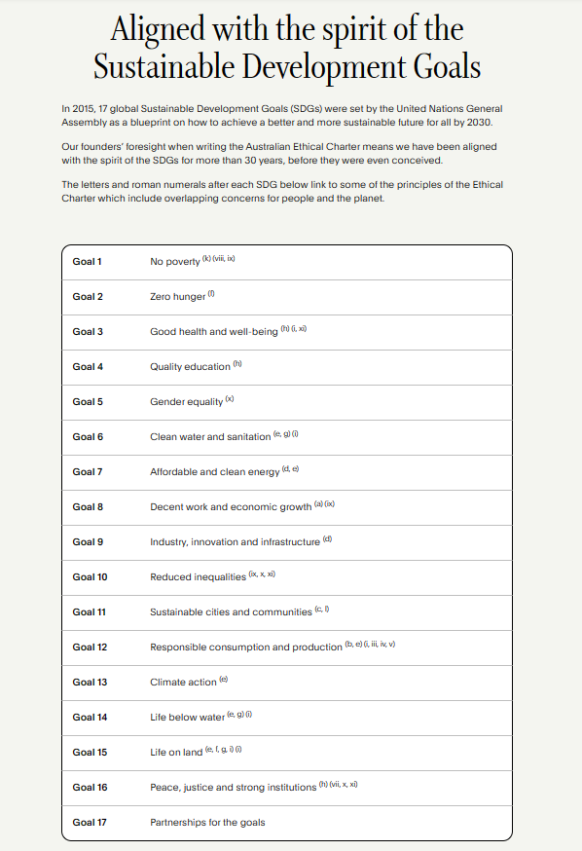
The Australian Ethical Charter
https://www.australianethical.com.au/why-ae/ethical-charter/

Investment Leadership
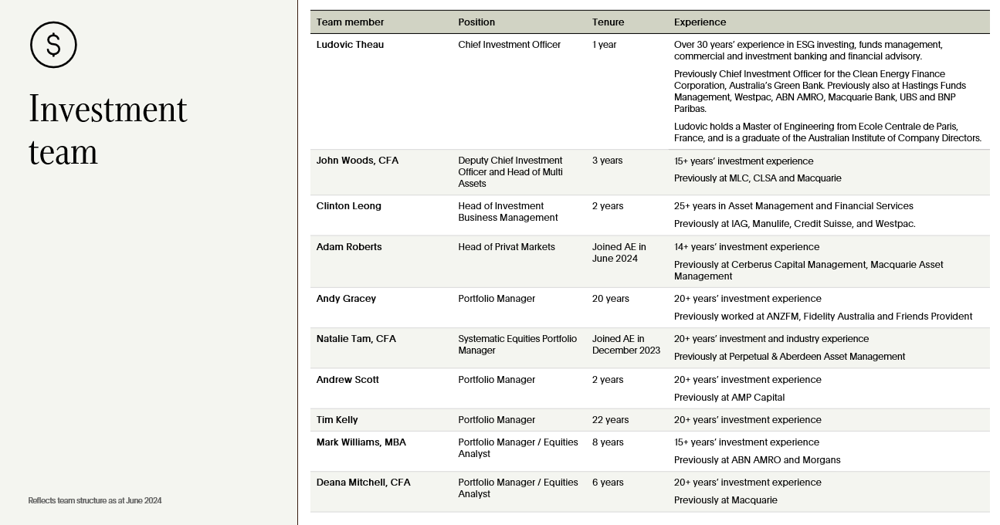
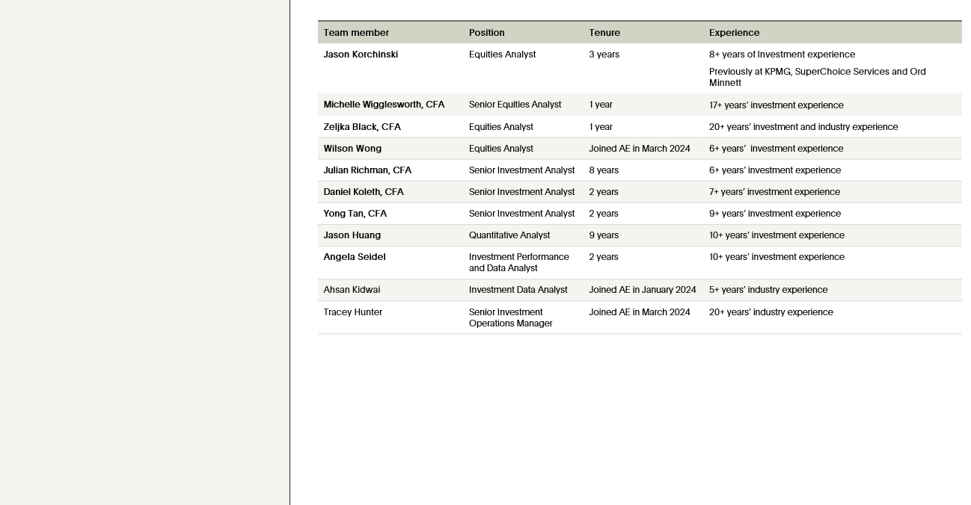
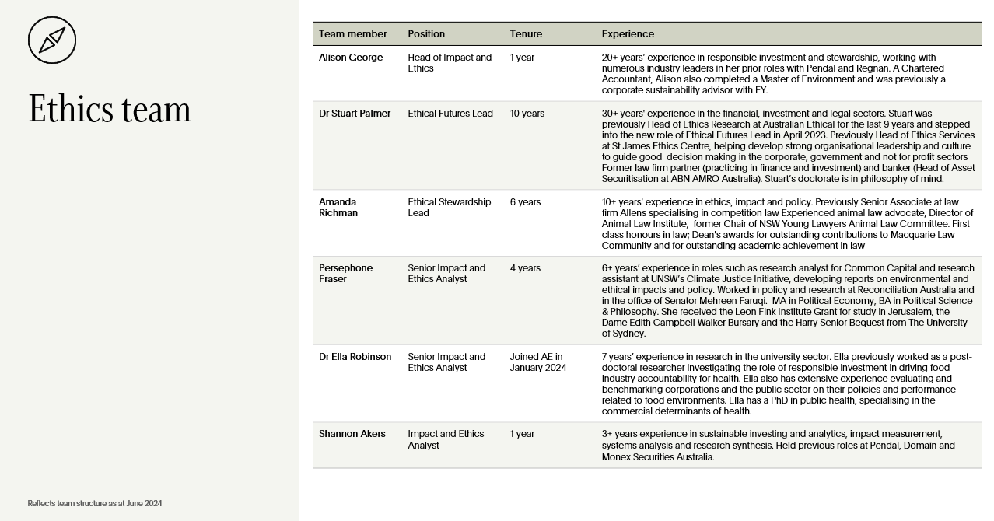
Performance highlights to 30 June 2024
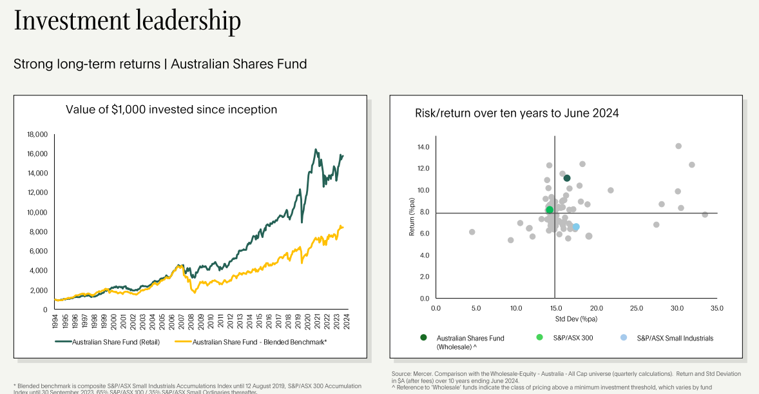

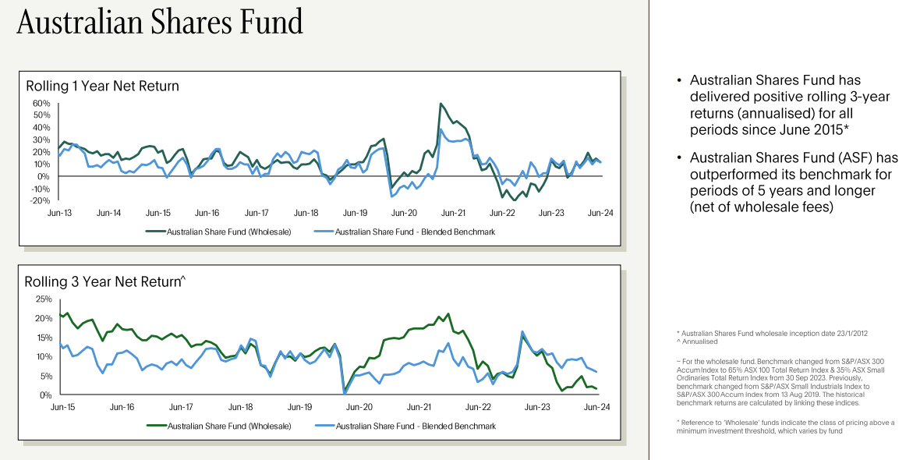

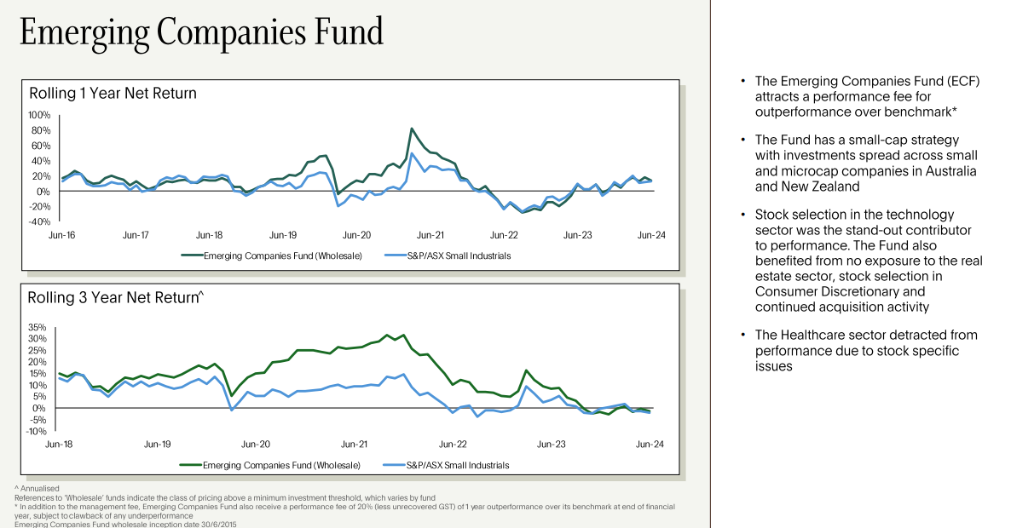

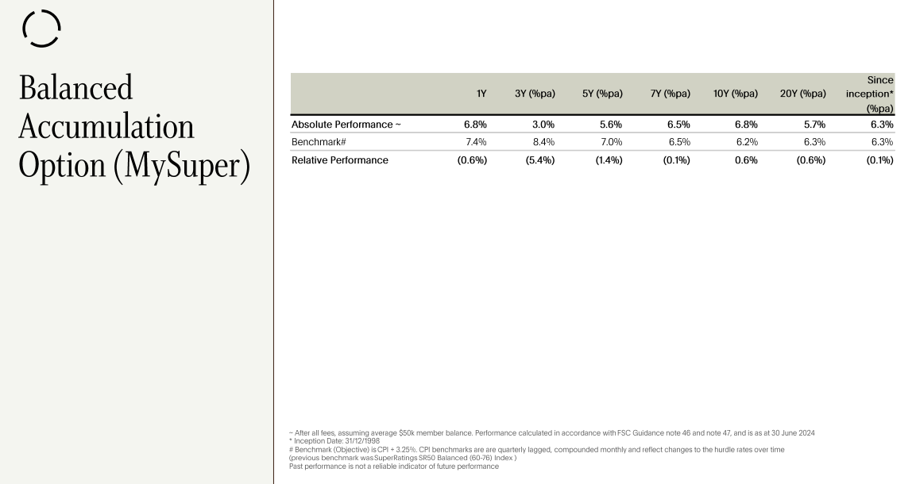

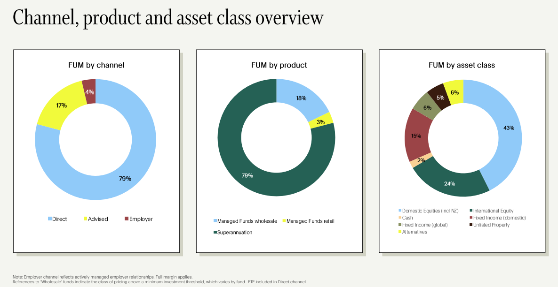

Credibility of the investment team - deep expertise

Aligned Portfolio
Australian Ethical Impact Reporting 2024
While our overarching investment portfolio is designed to deliver both financial returns and positive outcomes for people, planet and animals, when we invest for impact we go even further. We invest with the intention of making positive, measurable social and environmental impact, as well as a financial return. Impact investments enable us to reach directly into underserved communities and deliver positive, measurable change aligned to our environmental and social priorities. What's the difference? Our main portfolio holds investments we have assessed to be aligned with our Ethical Charter; in renewable energy companies that run wind farms, for example. This is one way we help direct our customers' capital to companies that will thrive in a decarbonised future. It is possible that the windfarms run by these renewable energy companies may have already existed before we invested. The difference with investing for impact in this example is that we invest with the intention of building new windfarms. This is a change that we can measure, that is aligned to our environmental priorities, and will also generate investment returns. Our impact investments sit with the Alternatives in our portfolio. Alternatives include unlisted assets like real estate, infrastructure and private equity. Australian Ethical's multi-asset funds such as the Conservative, Balanced, Growth and High Growth Super options, and our Balanced and Moderate Managed Funds include some exposure to Alternatives as part of their investment mix. In FY23 we engaged leading impact investment firm Brightlight, to act as a strategic partner, helping us to further enhance our social and environmental impact investments, measurement and reporting. Brightlight has prepared a report that aggregrates the impact data for FY24 for our private market impact investments and a summary of this report is set out below:

The People & communities thematic forms 51% of Australian Ethical's impact portfolio
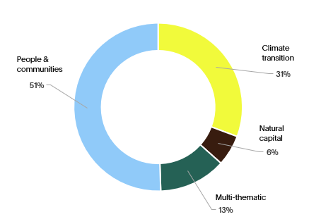

1 Metrics are based on per annum figures from latest available period as reported by each fund manager. Excludes investments who do not report on impact metrics and funds winding down. 2 Renewable energy includes solar, wind, hydropower, biofuels and others. For more on renewables, refer to iea.org/energy-system/renewables. 3 The Forest Stewardship Council label is one of the world’s most trusted mark for sustainable forestry 4 Total estimated number of people reached across portfolio inc. clients and beneficiaries per annum 5 Rural clients served as reported in three Financial inclusion investments 6 Women financial inclusion clients and beneficiaries as reported by five investees. Excludes women on staff in investee companies.

Methodology and footnotes The metrics presented above are intended to provide an estimate of the impact these investments are contributing and will have limitations as outlined below: * The metrics reported are based on the latest available data reported by each fund manager. The fund managers have a different reporting schedule and hence the data will not strictly reflect the period of this Sustainability report. * Metrics are rounded up to the nearest whole number where relevant. * There are varying degree of impact metrics reported by each manager within the portfolio, ie. not all investees are able to provide the impact data we are reporting on. Portfolio aggregation estimates are done based on available information reported by each fund manager and hence it will not fully reflect each fund’s contribution to the aggregate metrics. * We have attempted to prorate the impact metrics reported by each manager based on our investment value relative to the total fund value. We recognise the limitations of this method and that the fund managers may not account for prorating impact at their investee level. * Some investments have yet to report impact metrics. We will be aiming to work closely with these managers to obtain the relevant impact metrics necessary for our reporting. * Some managers have also refined their definition of some metrics from year to year and hence the impact metrics provided may not be directly comparable on a year by year basis
List of managers reviewed
Circularity Capital I Evercare IFC Catalyst Leapfrog II and III New Forests Partners Group Life Fund Patamar I and II Resolve SVA EIB/GEEREF Triodos Microfinance Fund Stafford Compass Social Impact Bond Youth Connect Artesian Clean Energy Seed Fund Australian Unity SDA Generation Sustainable SolutionsFund IV Octopus Brightlight Real Estate Fund Infradebt

Ethical Business
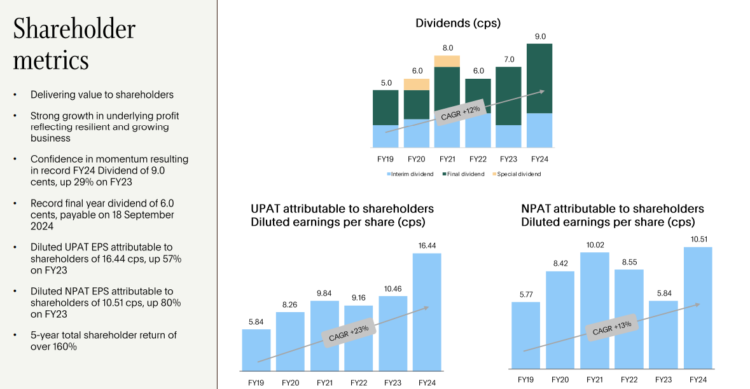
Passing on the benefits of scale

As our scale increases we continue to pass on the benefit to our customers. |  |  |  | We balance profitable growth with a
more competitive fee offering.

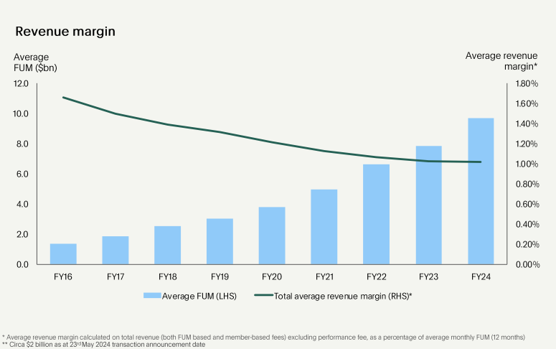

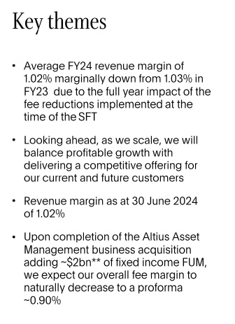

Governance
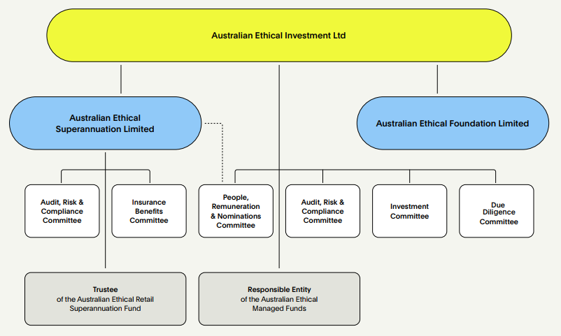

An ethical supply chain

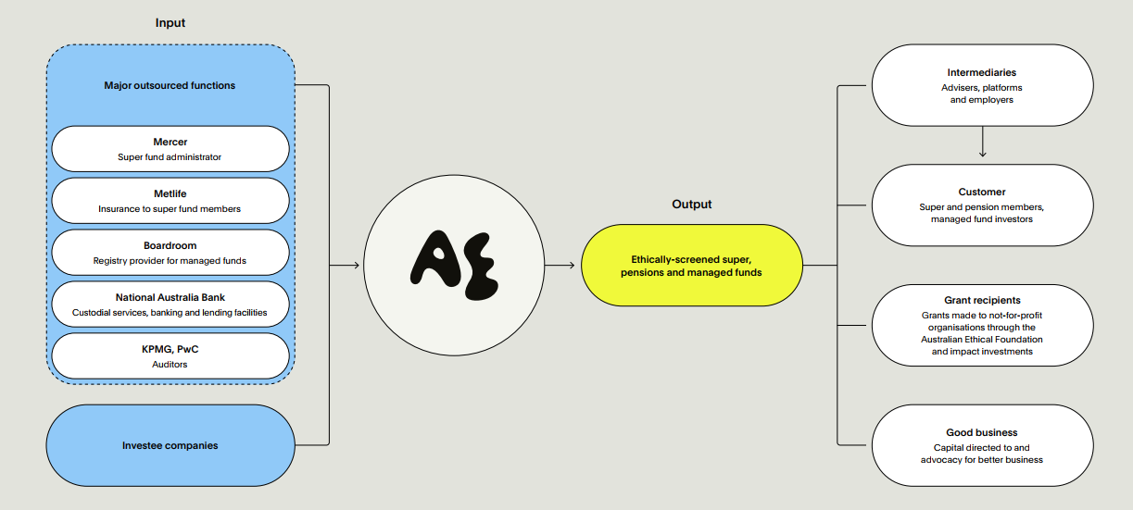

Operational Emissions FY24
While we strive to influence the biggest emissions reductions through our investment, engagement and advocacy, it’s also important that we monitor and reduce the emissions that arise from our own operations (like the running of our offices and employee travel) and that we offset what’s left. The following table shows our operational emissions for FY24 as well as historical emissions. Our scope 1 emissions are zero because we don’t directly generate emissions – we don’t own vehicles or operate gas appliances, for example. Our scope 2 emissions are zero because we purchase renewable electricity for our directly metered office power. On scope 3 emissions, we consider climate performance in our selection of significant suppliers and continue to explore further action we can take. In FY24, business travel has substantially increased beyond pre-covid levels. Advertising continued to be a large contributor to total emissions, with the increase in FY24 due to higher overall spend as well as a change in mix of marketing channels toward out of home over digital. The fit out of an extra floor in our Sydney office also contributed to increased emissions assocated with purchase of office furniture and IT equipment.
Offsetting operational emissions Carbon offsetting plays an important role for companies on the journey to net zero, provided they recognise the imperative to minimise emissions as much as possible before offsetting what remains. When offsetting our operational emissions, we look for opportunities for carbon abatement which also deliver additional benefits to people, planet and animals. This year we offset our prior-year operational footprint with three different types of carbon credits. We purchased ACCU carbon credits from the Thiaki Rainforest Restoration project, which restores previously cleared pasture to rainforest in the Wet Tropics region of northeast Queensland. As well as carbon sequestration benefits, the project reduces sediment run off which ultimately flows into the Great Barrier Reef, and also restores potential habitat for several native species. We also purchased “Verra - REDD+ VCU” credits from the Rimba Raya Biodiversity Reserve, which protects critical rainforest and habitat from deforestation as well as supporting local employment, education and healthcare. “Verra – VCU” credits were also purchased come from Myrtah Indian wind projects contributing renewable energy to regional electricity grids in the Indian states of Andhra Pradesh, Madhya Pradesh, Rajasthan and Telangana. Many important concerns have been raised about the effectiveness of carbon reduction and sequestration under different carbon credit certification schemes and methodologies. Indeed, during the year, the Rimba Raya project raised concerns about offset calculation and the risk that offsetting benefits may not be maintained, with a legal dispute about the right to operate in the biodiversity reserve area. We will monitor and intend to grow our capacity to analyse and access credible carbon credits both for our future offsetting needs and for potential investment by our funds.

Category | FY22 | FY23 | FY24
Scope 1 & 2 emissions (tonnes of CO2-e pa) | 0 | 0 | 0
Operational Scope 3 (tonnes of CO2-e pa) | 569.6 | 675.7 | 1,075.30
Full scope emissions per full time equivalent employee | 5.5 | 6.1a | 8.17b
Full scope emissions intensity (total per $A million revenue) | 8 | 8.3 | 10.7
Full scope emissions per $A billion funds under management | 86.6 | 87.4 | 103
Offsetting of reported operational emissionsc | 100% | 100% | 100%
a) Calculated using FY23 activity data, FY22 emissions factors, and the average of FTE employees at year beginning and end (including contractors paid via monthly payroll).
b) Calculated using the average of FTE employees at year beginning (including contractors paid via monthly payroll) and year end (including all contractors paid both on payroll and ABN). FY23 emissions factors were applied due to a delay in the availability of updated FY24 factors.
c) transacted in the subsequent financial year

The following table provides a detailed breakdown of our operational emissions for FY24, which were calculated with support of an external consultancy with expertise in emissions reporting.
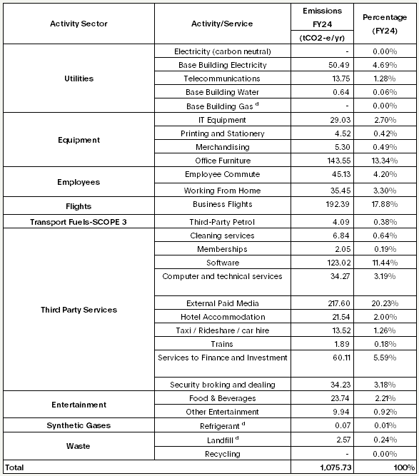

(d) The provider of our Melbourne and Canberra offices undertakes their own offsetting, reducing gas emissions to zero and reducing refigerant, water and waste emissions.

Our people

Employees count and FTE (both staff and Contractor on payroll)
Total Employees (Headcount) = 140 (including contractors paid via monthly payroll)
Total FTE = 137.60 (including contractors paid via monthly payroll)
F 70 (50.0%) : O 0 (0%) : M 70 (50.0%) (including contractors paid via monthly payroll)

Employees count and FTE (both staff and Contractor both on payroll and on ABN)
Total Employees (Headcount) = 149 (including all contractors paid both on payroll and ABN)
Total FTE = 142.40 (including all contractors paid both on payroll and ABN)

Total number of employees by employment contract and gender [Ref: 2-7]
 | F | O | M | Total
Permanent F/T | 58 | 0 | 66 | 124
Permanent P/T | 7 | 0 | 1 | 8
Temporary Contractor F/T | 3 | 0 | 3 | 6
Temporary Contractor P/T | 2 | 0 | 0 | 2
Total | 70 | 0 | 70 | 140

3) Employees by gender and region [Ref: 2-7]
 | F | O | M | Total
NSW | 59 | 0 | 52 | 111
VIC | 10 | 0 | 13 | 23
QLD | 1 | 0 | 3 | 4
ACT | 0 | 0 | 1 | 1
SA | 0 | 0 | 0 | 0
WA | 0 | 0 | 1 | 1
Total | 70 | 0 | 70 | 140

4) Board by gender and region [Ref: 2-7]
 | F | O | M | Total
NSW | 2 | 0 | 3 | 5
VIC | 0 | 0 | 0 | 0
QLD | 2 | 0 | 0 | 2
ACT | 0 | 0 | 1 | 1
SA | 0 | 0 | 0 | 0
WA | 0 | 0 | 0 | 0
Total | 4 | 0 | 4 | 8

Full time employees by region and gender [Ref: 2-7 (a- iv)]
 | F | O | M | Total
NSW | 48 | 0 | 48 | 96
VIC | 9 | 0 | 13 | 22
QLD | 1 | 0 | 3 | 4
ACT | 0 | 0 | 1 | 1
SA | 0 | 0 | 0 | 0
WA | 0 | 0 | 1 | 1
Total | 58 | 0 | 66 | 124

Part time employees by region and gender [Ref: 2-7 (a- v)]
 | F | O | M | Total
NSW | 6 | 0 | 1 | 7
VIC | 1 | 0 | 0 | 1
QLD | 0 | 0 | 0 | 0
ACT | 0 | 0 | 0 | 0
SA | 0 | 0 | 0 | 0
WA | 0 | 0 | 0 | 0
Total | 7 | 0 | 1 | 8

Full time Contractors by region and gender [Ref: 2-7 (a - iv)]
 | F | O | M | Total
NSW | 3 | 0 | 3 | 6
VIC | 0 | 0 | 0 | 0
QLD | 0 | 0 | 0 | 0
ACT | 0 | 0 | 0 | 0
SA | 0 | 0 | 0 | 0
WA | 0 | 0 | 0 | 0
Total | 3 | 0 | 3 | 6

Part time Contractors by region and gender [Ref: 2-7 (a - v)]
 | F | O | M | Total
NSW | 2 | 0 | 0 | 2
VIC | 0 | 0 | 0 | 0
QLD | 0 | 0 | 0 | 0
ACT | 0 | 0 | 0 | 0
SA | 0 | 0 | 0 | 0
WA | 0 | 0 | 0 | 0
Total | 2 | 0 | 0 | 2

Non-guaranteed hours employees, and a breakdown by gender and by region [Ref: 2-7 (a - iii)]
Not applicable
Describe the methodologies and assumptions used to compile the data and describe significant fluctuations in the number of employees during the year [Ref: 2-7 (b)]
· Data is based on employees/board headcount basis.
· Data is based on employees/board headcount is as of as at year end (i.e. 30 June 2024).
Ratio of the annual total compensation for the organisation’s highest paid individual to the median annual total compensation for all employees [Ref: 2-21 (a) & (b)]
 | 2024 | 2023 | %increase | $ increase
Median | $75.08 | $69.61 | 7.85%
MD | $255.02 | $243.65 | 4.67%
 | $3.40 | $3.50 | 59.52% | $0.60
Note: salary ratio is based on hourly rate only
Displayed in report as the following ratio: 3.40:1 (PY 3.50:1)
Report the total number of workers who are not employees and whose work is controlled by the organization [Ref: 2-8]
Not applicable

Total Employees by Age
Age Diversity (employees only)
Under 30 | 30-40 | 40-50 | 50-60 | 60+
21% (29) | 30% (42) | 35% (49) | 14% (19) | 1% (1)

All (AEI and AES combined) board members – age and gender diversity
Age Diversity (Board members only)
Under 30 | 30-40 | 40-50 | 50-60 | 60+
0% (0) | 0% (0) | 13% (1) | 38% (3) | 50% (4)

Total Employees by region and type – FTE
 | Full Time | Part Time | Full Time Contractor | Part Time Contractor | Total
NSW | 96 | 5.1 | 6 | 1.6 | 108.7
VIC | 22 | 0.9 | 0 | 0 | 22.9
QLD | 4 | 0 | 0 | 0 | 4
ACT | 1 | 0 | 0 | 0 | 1
SA | 0 | 0 | 0 | 0 | 0
WA | 1 | 0 | 0 | 0 | 1
Total | 124 | 6 | 6 | 1.6 | 137.6

Total Employees by region and type – Headcount
 | Full Time | Part Time | Full Time Contractor | Part Time Contractor | Total
NSW | 96 | 7 | 6 | 2 | 111
VIC | 22 | 1 | 0 | 0 | 23
QLD | 4 | 0 | 0 | 0 | 4
ACT | 1 | 0 | 0 | 0 | 1
SA | 0 | 0 | 0 | 0 | 0
WA | 1 | 0 | 0 | 0 | 1
Total | 124 | 8 | 6 | 2 | 140

Employees by region - FTE and Headcount
 | FTE | Head count
NSW | 108.7 | 111
VIC | 22.9 | 23
QLD | 4 | 4
ACT | 1 | 1
SA | 0 | 0
WA | 1 | 1
Total | 137.6 | 140


Training
36 people signed up to do the CFA Investment Foundation course. So far 10 people have completed and passed, the rest have until October 2024 if they were in the first cohort or until March 2025 if they’re in the second cohort. We have one person doing the CFA level 1, and 2 people doing their MBAs. Regulatory training 31 staff must complete the RG146 12 employees took part in the CI Lean training over 2 days All employees are doing Microsoft 365 training to improve productivity skills and completed 1 module in FY24

