Investment data
Performance highlights to 30 June 2025
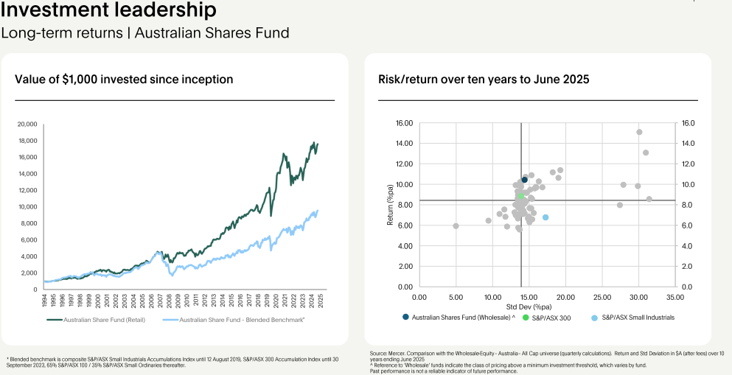

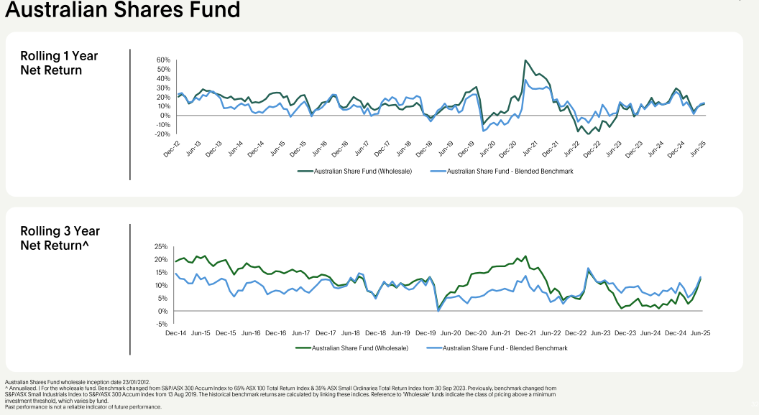

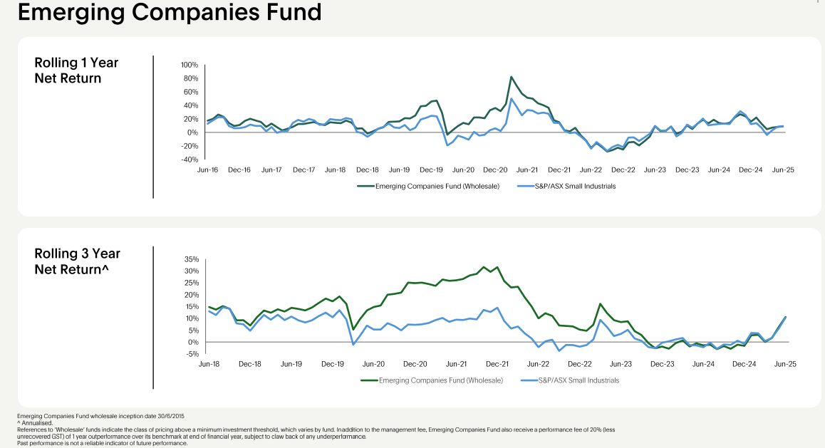

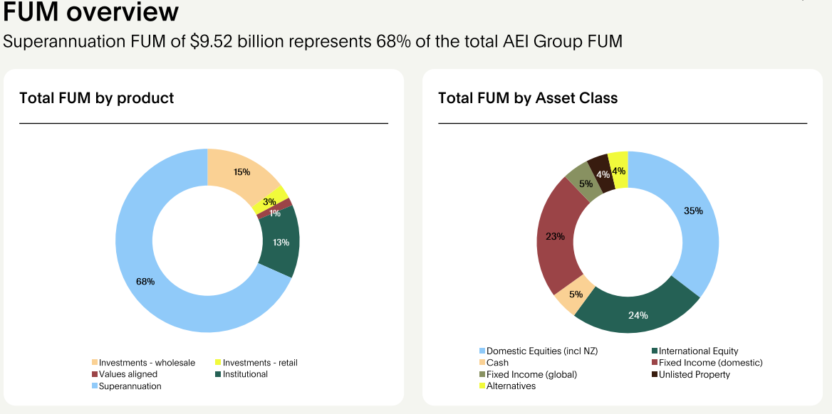

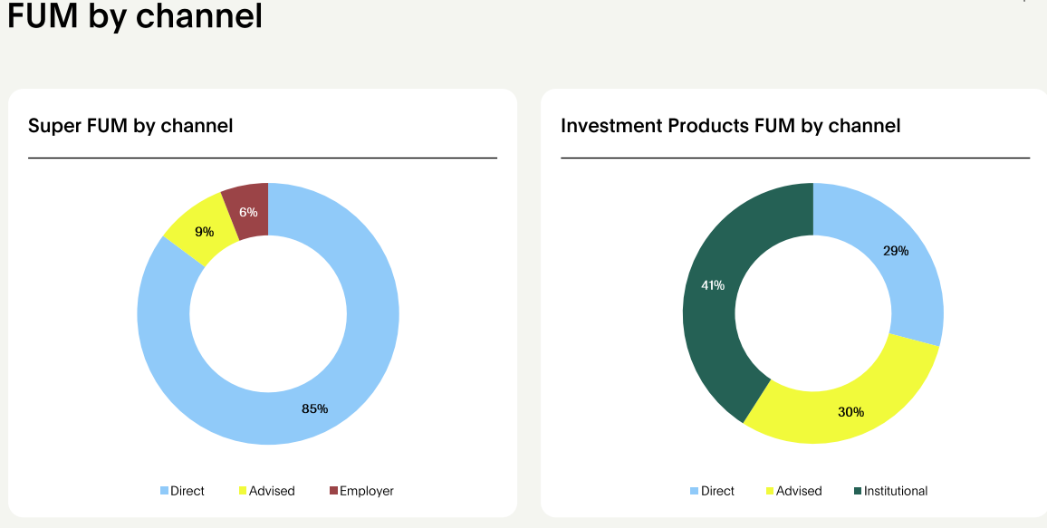

Credibility of the investment team - deep expertise

Aligned Portfolio
Nature
Our biodiversity impact is 55% lower than the benchmark^ We used the BIAT tool to assess our investments in listed shares and fixed income securities as at 30 June 2025, compared to the benchmark^. The ISS BIAT tool estimates biodiversity impact by calculating the biodiversity intensity of a portfolio versus the weight of its holdings (Weighted Average Intensity). According to the ISS BIAT tool, the biodiversity impact of Australian Ethical’s portfolio is 20.53 (PDF.KM2.yr/€M); this is more than 55% lower than the biodiversity impact of the benchmark^ at 45.75 (PDF.KM2.yr/€M). This difference is largely driven by Australian Ethical’s lack of exposure to investments categorised as ‘Very High’ biodiversity impact by the ISS BIAT tool. In fact, according to this analysis, at 0.2% we have almost no exposure to companies classified as ‘Very High’ biodiversity impact. In comparison, the benchmark^ is calculated as having 6.8% exposure to companies classified as ‘Very High’ biodiversity impact – a figure which is 34 times greater.
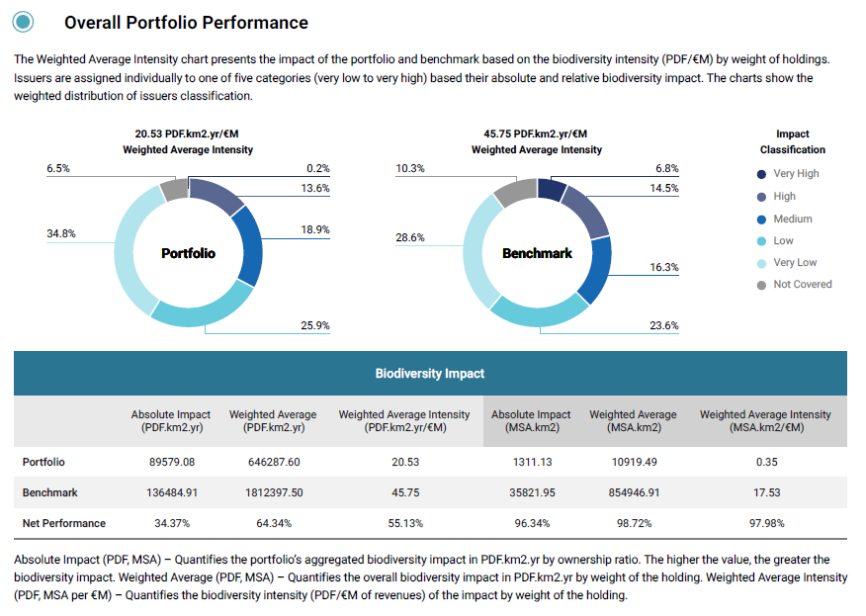

When we look at the Breakdown by Sector27 this difference is driven by our ethical restrictions on investment in the Materials, Energy, Consumer Staples and Consumer Discretionary sectors, all of which are significant contributors to biodiversity impact. The benchmark’s^ exposure to the Materials sector is of particular note (typically Mining, refining, construction materials, chemical and forestry products) and to Consumer Staples (consisting of agricultural products, tobacco, alcoholic and non-alcoholic beverages, household and hygiene products).

^Compared to a blended benchmark that best reflects the benchmarks used by the underlying investment strategies. Based on holdings at 30 June 2025 and analysis tools provided by external sources which cover ~74% of the investments we hold by value other than wholesale cash fund and mandates. Both carbon intensity and sustainable impact solutions revenue relate to the listed companies and public corporate fixed income securities in which we invest across our funds and options. This should not be considered representative of individual funds or options which will have their own mix of share and other investments. See pages 153 to 155 of the 2025 Australian Ethical Annual Report for more information about this comparison.

Ethical Business
Passing on the benefits of scale - to stakeholders

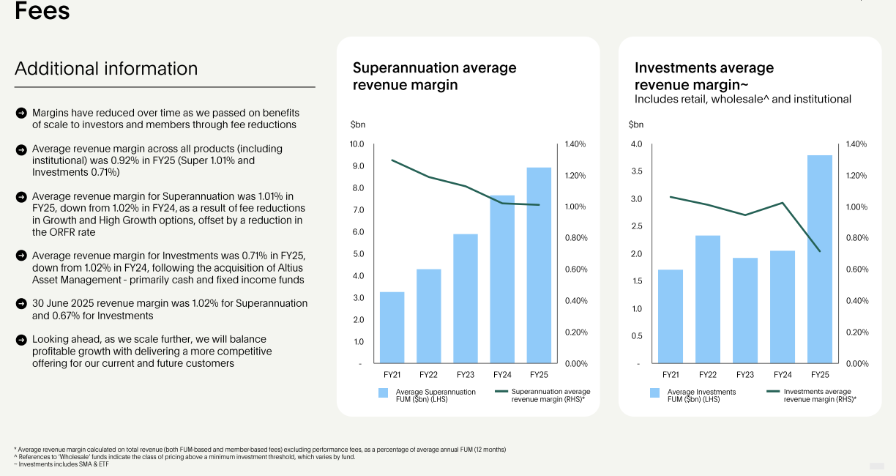

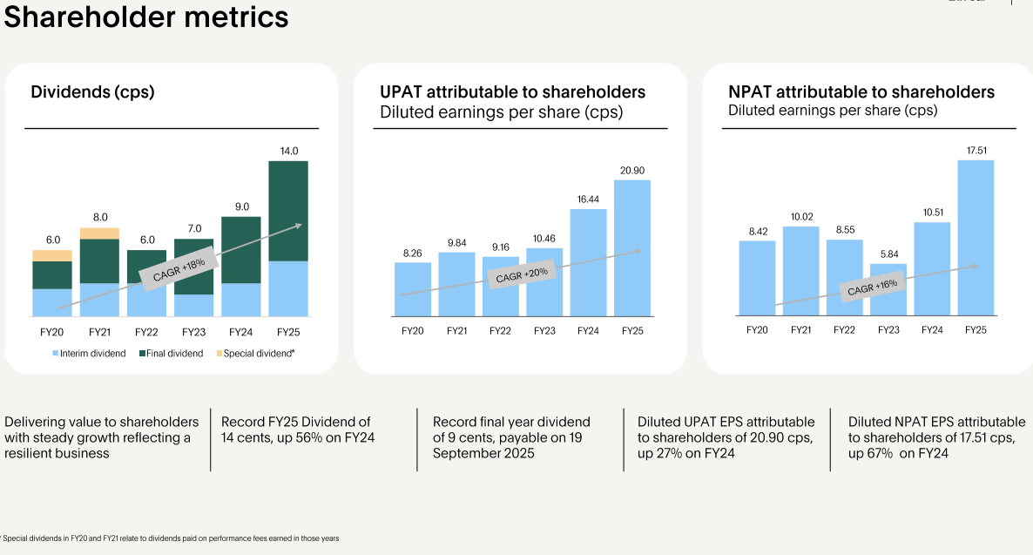

Governance
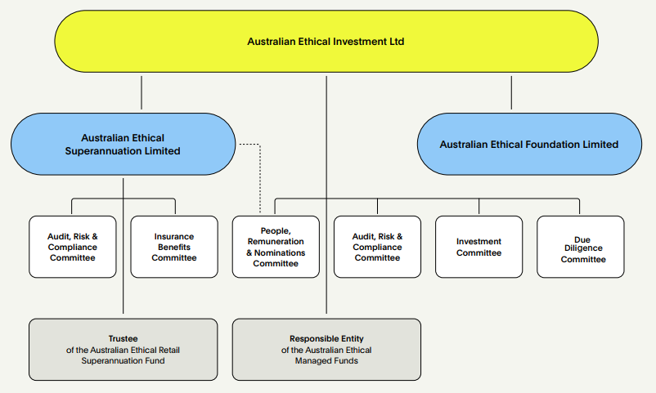

An ethical supply chain

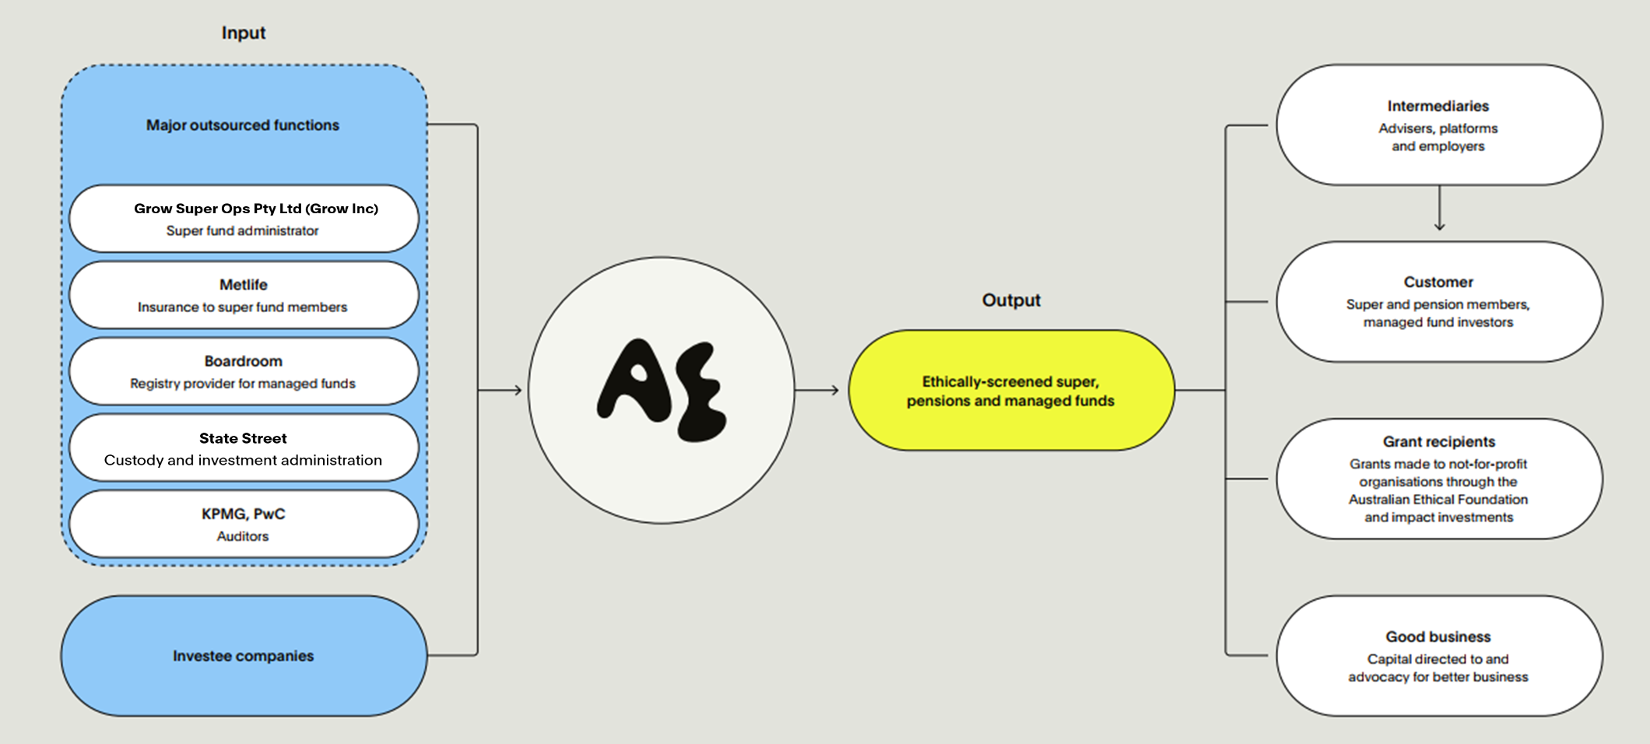

Our people

Employees count and FTE (both staff and Contractor on payroll)
Total Employees (Headcount) = 141 (including contractors paid via monthly payroll)
Total FTE = 138 (including contractors paid via monthly payroll)
F 65 (46.0%) : O 0 (0%) : M 76 (54.0%) (including contractors paid via monthly payroll)

Employees count and FTE (both staff and Contractor both on payroll and on ABN)
Total Employees (Headcount) = 149 (including all contractors paid both on payroll and ABN)
Total FTE = 142.60 (including all contractors paid both on payroll and ABN)

Total number of employees by employment contract and gender [Ref: 2-7]
 | F | O | M | Total
Permanent F/T | 55 | 0 | 71 | 126
Permanent P/T | 8 | 0 | 4 | 12
Temporary Contractor F/T | 2 | 0 | 1 | 3
Temporary Contractor P/T | 0 | 0 | 0 | 0
Total | 65 | 0 | 76 | 141

3) Employees by gender and region [Ref: 2-7]
 | F | O | M | Total
NSW | 55 | 0 | 58 | 113
VIC | 9 | 0 | 13 | 22
QLD | 1 | 0 | 3 | 4
ACT | 0 | 0 | 1 | 1
SA | 0 | 0 | 0 | 0
WA | 0 | 0 | 1 | 1
Total | 65 | 0 | 76 | 141

4) Board by gender and region [Ref: 2-7]
 | F | O | M | Total
NSW | 3 | 0 | 5 | 8
VIC | 0 | 0 | 0 | 0
QLD | 1 | 0 | 0 | 1
ACT | 0 | 0 | 1 | 1
SA | 0 | 0 | 0 | 0
WA | 0 | 0 | 0 | 0
Total | 4 | 0 | 6 | 10

Full time employees by region and gender [Ref: 2-7 (a- iv)]
 | F | O | M | Total
NSW | 45 | 0 | 53 | 98
VIC | 9 | 0 | 13 | 22
QLD | 1 | 0 | 3 | 4
ACT | 0 | 0 | 1 | 1
SA | 0 | 0 | 0 | 0
WA | 0 | 0 | 1 | 1
Total | 55 | 0 | 71 | 126

Part time employees by region and gender [Ref: 2-7 (a- v)]
 | F | O | M | Total
NSW | 8 | 0 | 4 | 12
VIC | 0 | 0 | 0 | 1
QLD | 0 | 0 | 0 | 0
ACT | 0 | 0 | 0 | 0
SA | 0 | 0 | 0 | 0
WA | 0 | 0 | 0 | 0
Total | 8 | 0 | 4 | 12

Full time Contractors by region and gender [Ref: 2-7 (a - iv)]
 | F | O | M | Total
NSW | 2 | 0 | 1 | 3
VIC | 0 | 0 | 0 | 0
QLD | 0 | 0 | 0 | 0
ACT | 0 | 0 | 0 | 0
SA | 0 | 0 | 0 | 0
WA | 0 | 0 | 0 | 0
Total | 2 | 0 | 1 | 3

Part time Contractors by region and gender [Ref: 2-7 (a - v)]
 | F | O | M | Total
NSW | 0 | 0 | 0 | 0
VIC | 0 | 0 | 0 | 0
QLD | 0 | 0 | 0 | 0
ACT | 0 | 0 | 0 | 0
SA | 0 | 0 | 0 | 0
WA | 0 | 0 | 0 | 0
Total | 0 | 0 | 0 | 0

Non-guaranteed hours employees, and a breakdown by gender and by region [Ref: 2-7 (a - iii)]
Not applicable
Describe the methodologies and assumptions used to compile the data and describe significant fluctuations in the number of employees during the year [Ref: 2-7 (b)]
· Data is based on employees/board headcount basis.
· Data is based on employees/board headcount as at year end (i.e. 30 June 2025).
Ratio of the annual total compensation for the organisation’s highest paid individual to the median annual total compensation for all employees [Ref: 2-21 (a) & (b)]
 | 2025 | 2024 | % increase
Median | $79.22 | $75.08 | 5.52%
MD | $263.95 | $255.02 | 3.50%
 | $3.33 | $3.40 | 63.37%
Note: salary ratio is based on hourly rate only
Displayed in report as the following ratio: : 3.33:1 (PY 3.40:1)
Report the total number of workers who are not employees and whose work is controlled by the organization [Ref: 2-8]
Not applicable

Total Employees by Age
Age Diversity (employees only)
Under 30 | 30-40 | 40-50 | 50-60 | 60+
21% (29) | 31% (44) | 30% (42) | 16% (22) | 3% (4)

All (AEI and AES combined) board members – age and gender diversity
Age Diversity (Board members only)
Under 30 | 30-40 | 40-50 | 50-60 | 60+
0% (0) | 0% (0) | 10% (1) | 20% (2) | 70% (7)

Total Employees by region and type – FTE
 | Full Time | Part Time | Full Time Contractor | Part Time Contractor | Total
NSW | 98 | 9.1 | 3 | 0 | 110.1
VIC | 21.9 | 0 | 0 | 0 | 21.9
QLD | 4 | 0 | 0 | 0 | 4
ACT | 1 | 0 | 0 | 0 | 1
SA | 0 | 0 | 0 | 0 | 0
WA | 1 | 0 | 0 | 0 | 1
Total | 126 | 9.1 | 3 | 0 | 138

Total Employees by region and type – Headcount
 | Full Time | Part Time | Full Time Contractor | Part Time Contractor | Total
NSW | 98 | 12 | 3 | 0 | 113
VIC | 22 | 0 | 0 | 0 | 22
QLD | 4 | 0 | 0 | 0 | 4
ACT | 1 | 0 | 0 | 0 | 1
SA | 0 | 0 | 0 | 0 | 0
WA | 1 | 0 | 0 | 0 | 1
Total | 126 | 12 | 3 | 0 | 141

Employees by region - FTE and Headcount
 | FTE | Head count
NSW | 110.1 | 113
VIC | 21.9 | 22
QLD | 4 | 4
ACT | 1 | 1
SA | 0 | 0
WA | 1 | 1
Total | 138 | 141

Ratio of the basic salary and remuneration of women to men for each employee category, by significant locations of operation

Role classification | Gender
 | M | F
Managing Director | 1 | 0
Executives | 3 | 4
Managers | 4 | 9
Professionals | 48 | 64
Sales Workers | 2 | 4
Clerical And Administrative Workers | 1 | 6
Total | 59 | 87 | 146

 | Base salary
 | M | F
Senior Management | $400,597.91 | $326,930.94
Middle management | $176,931.94 | $163,427.11
Clerical and Administrative and Support staff | * | $106,655.52

Footnotes:
Base salary not including super
Senior management group consists of Executives
Middle Management consists of Professionals, managers and sales workers
Senior management excludes the Managing Director
Average base salary has been converted to FTW for part time staff (check with Elaine)
*data for male average base salary for the Clerical and Administrative and Support staff omitted to protect anonymity

Most recent B Corp assessment



Greenhouse Gas Emissions Data 2025
Presented below is our full greenhouse gas emissions profile for FY25. This year we have enhanced our reporting by breaking down scope 3 emissions into the 15 Categories set out in the Greenhouse Gas Protocol Corporate Value Chain (SCope 3) Accounting and Reporting Standard (2011). The bulk of our emissions are in Category 15 investments, and you will find a lot more information about this in our sustainability report, including how we are seeking to influence emissions reductions through our approach to investment, engagement, and advocacy. The remaining emissions are those that relate to our operations, including business travel and employee commuting, as well as a share of the emissions of our suppliers in providing goods and services to us, including things like software and advertising. Operational emissions overall are at a similar level to the prior year (net emissions after supplier offsetting FY25: 1027 v FY24: 1076) despite increased headcount. Key differences in the underlying emissions relate to: - Once-off purchases to fit out a additional office space in Sydney added to emissions in FY24. - Our business travel mix changed, with fewer overseas trips reducing kms travelled in 2025, while employee commuting emissions increased with headcount. - A change in our mix of media channels used for marketing.
We consider climate performance in our selection of significant suppliers, and continue to explore further action we can take. In FY25 we continued to purchase renewable energy for our directly metered electricity and worked with our providers to minimise emissions from out-of-home advertising (eg buses and billboards). Offsetting operational emissions Carbon offsetting plays an important role for companies on the journey to net zero, provided they recognise the imperative to minimise emissions as much as possible before offsetting what remains. When offsetting our operational emissions, we look for opportunities for carbon abatement which also deliver additional benefits to people, planet and animals. In 2025, Australian Ethical offset our prior-year net operational footprint of 1,076 tonnes through Greenfleet's reforestation projects. Greenfleet is a leading environmental not-for-profit that has been restoring native Australian forests for over 25 years. While removing carbon, these projects will restore nature and provide critical habitat for Australia's wildlife. Importantly, the forests are protected for up to 100 years to deliver long term and sustainable environmental outcomes. Many important concerns have been raised about the effectiveness of carbon reduction and sequestration under different carbon credit certification schemes and methodologies. We will monitor and intend to grow our capacity to analyse and access credible carbon credits both for our future offsetting needs and for potential investment by our funds.
Greenhouse Gas Emissions by Category
Scope | Category | Description |  | Notes | Gross Emissions FY25 (tCO₂-e)
Scope 1 | Scope 1 | Direct emissions from fuel combustion, chemical processing or fugitive emissions |  |  | -
Scope 2 | Scope 2 | Indirect emissions from purchased electricity, heat and steam |  |  | 36
Scope 3 | Category 1 | Purchased goods & services |  |  | 742
Scope 3 | Category 2 | Capital goods |  |  | 23
Scope 3 | Category 3 | Fuel and energy related activities |  |  | 5
Scope 3 | Category 4 | Upstream transportation & distribution |  |  | -
Scope 3 | Category 5 | Waste generated in operations |  |  | 6
Scope 3 | Category 6 | Business travel |  |  | 136
Scope 3 | Category 7 | Employee commuting |  |  | 76
Scope 3 | Category 8 | Upstream leased assets |  |  | 36
Scope 3 | Category 9 | Downstream transportation & distribution |  |  | -
Scope 3 | Category 10 | Processing of sold products |  |  | -
Scope 3 | Category 11 | Use of sold products |  |  | -
Scope 3 | Category 12 | End-of-life treatment of sold products |  |  | -
Scope 3 | Category 13 | Downstream leased assets |  |  | -
Scope 3 | Category 14 | Franchises |  |  | -
Scope 3 | Category 15 | Investments (full scope emissions attributable to our listed share and public corporate fixed income investments) |  | Note 1 | 906,493
TOTAL GROSS EMISSIONS |  |  |  |  | 907,553

Operational Emissions Summary
Gross Operational emissions |  | Total gross emissions excluding category 15 (financed) emissions |  | Note 2 | 1,060
Offsetting by suppliers |  |  |  | Note 3 | 33
Net operational emissions (to be offset in FY26) |  |  |  | Note 4 | 1,027

NOTES
1. Source: MSCI. See further about emissions associted with our investments in our sustainability report.
2. Operational emissions are estimated with assistance from external consultants with expertise in emissions reporting.
3. Office space in Melbourne and Canberra is certified carbon neutral by climate active.
4. Emissions offsetting is completed following year end.

